Summary
Multimodal Improvements to Safely Connect Tulsa at US-75 and 81st Street Interchange
Benefits-Cost Analysis (BCA) Summary
2025-01-30
All $ values 2023, unless otherwise noted
Calculation
Note
Input
Sensitivity | Sensitivity On? | NO
 | Benefit Cost Ratio (3.1% disc.*) |  |  | 1.81

Present Value of Benefits & Costs (3.1% disc. rate*)
 | Residual Value | Reduced Bridge Hits | Induced Pedestrian Demand | Pedestrian / Cycling Improvments | Emmisions Reduction | Reduced Vehicle Operating Costs | Travel Time | Safety Benefits | Reduced Maintenance | Capital Cost
2018 | - | - | - | - | - | - | - | - | - | -
2019 | - | - | - | - | - | - | - | - | - | -
2020 | - | - | - | - | - | - | - | - | - | -
2021 | - | - | - | - | - | - | - | - | - | -
2022 | - | - | - | - | - | - | - | - | - | -
2023 | - | - | - | - | - | - | - | - | - | -
2024 | - | - | - | - | - | - | - | - | - | (2.32)
2025 | - | - | - | - | - | - | - | - | - | (10.97)
2026 | - | - | - | - | - | - | - | - | - | (10.64)
2027 | - | 0.00 | 0.06 | 0.16 | 0.01 | 0.36 | 0.80 | 0.21 | (0.27) | -
2028 | - | 0.00 | 0.08 | 0.19 | 0.01 | 0.36 | 0.87 | 0.20 | - | -
2029 | - | 0.00 | 0.11 | 0.21 | 0.01 | 0.37 | 0.93 | 0.20 | - | -
2030 | - | 0.00 | 0.11 | 0.21 | 0.01 | 0.38 | 0.99 | 0.19 | 1.14 | -
2031 | - | 0.00 | 0.11 | 0.20 | 0.01 | 0.38 | 1.04 | 0.19 | - | -
2032 | - | 0.00 | 0.10 | 0.20 | 0.01 | 0.39 | 1.09 | 0.19 | - | -
2033 | - | 0.00 | 0.10 | 0.19 | 0.01 | 0.39 | 1.14 | 0.18 | - | -
2034 | - | 0.00 | 0.10 | 0.19 | 0.01 | 0.39 | 1.18 | 0.18 | - | -
2035 | - | 0.00 | 0.10 | 0.18 | 0.01 | 0.40 | 1.22 | 0.17 | 0.61 | -
2036 | - | 0.00 | 0.09 | 0.18 | 0.01 | 0.40 | 1.26 | 0.17 | - | -
2037 | - | 0.00 | 0.09 | 0.18 | 0.01 | 0.41 | 1.29 | 0.17 | - | -
2038 | - | 0.00 | 0.09 | 0.17 | 0.01 | 0.41 | 1.32 | 0.16 | - | -
2039 | - | 0.00 | 0.09 | 0.17 | 0.01 | 0.41 | 1.34 | 0.16 | - | -
2040 | - | 0.00 | 0.09 | 0.16 | 0.01 | 0.41 | 1.37 | 0.16 | - | -
2041 | - | 0.00 | 0.08 | 0.16 | 0.01 | 0.41 | 1.39 | 0.15 | - | -
2042 | - | 0.00 | 0.08 | 0.16 | 0.01 | 0.41 | 1.40 | 0.15 | - | -
2043 | - | 0.00 | 0.08 | 0.15 | 0.01 | 0.41 | 1.42 | 0.15 | - | -
2044 | - | 0.00 | 0.08 | 0.15 | 0.01 | 0.41 | 1.43 | 0.14 | - | -
2045 | - | 0.00 | 0.08 | 0.15 | 0.01 | 0.41 | 1.45 | 0.14 | 0.72 | -
2046 | - | 0.00 | 0.08 | 0.14 | 0.01 | 0.42 | 1.46 | 0.14 | - | -
2047 | - | - | - | - | - | - | - | - | - | -
2048 | - | - | - | - | - | - | - | - | - | -
2049 | - | - | - | - | - | - | - | - | - | -
2050 | - | - | - | - | - | - | - | - | - | -
2051 | - | - | - | - | - | - | - | - | - | -
2052 | - | - | - | - | - | - | - | - | - | -
2053 | - | - | - | - | - | - | - | - | - | -
2054 | - | - | - | - | - | - | - | - | - | -
2055 | - | - | - | - | - | - | - | - | - | -
2056 | - | - | - | - | - | - | - | - | - | -
Breakdown of Present Value of Benefits Discounted at 3.1% (CO2 discounted @ 2%)
 |  | Discount Factor
 | Benefits ($ millions) | 0% | 2% | 3.1% | % of Benefit
 | Safety Benefits | $5.09 | $3.90 | $3.39 | 7.8%
 | Travel Time | $38.41 | $28.51 | $24.38 | 56.2%
 | Reduced Vehicle Operating Costs | $12.21 | $9.18 | $7.91 | 18.2%
 | Emissions Reduction* | $0.32 | $0.23 | $0.20 | 0.5%
 | Pedestrian / Cycling Improvements | $5.29 | $4.04 | $3.51 | 8.1%
 | Induced Pedestrian Demand | $2.72 | $2.07 | $1.79 | 4.1%
 | Reduced Bridge Hits | $0.03 | $0.03 | $0.02 | 0.1%
 | Reduced Maintenance Costs | $3.62 | $2.61 | $2.20 | 5.1%
 | Residual Value | $- | $- | $- | 0.0%
 | Present Value of Benefit (Cost) | $67.68 | $50.57 | $43.41 | 100.0%
 | *Emissions 3.1% discount factor includes 2% discount for CO2

 |  | Discount Factor
 | Costs ($ millions) | 0% | 2% | 3.1%
 | Capital Cost | (27.3) | (25.1) | (23.9)
 | Present Value of Benefit (Cost) | (27.3) | (25.1) | (23.9)

 |  | Discount Factor
 | Financial Metrics ($ millions) | 0% | 2% | 3.1%
 | Present Value of Benefits | 67.7 | 50.57 | 43.41
 | Present Value of Costs | (27.34) | (25.08) | (23.93)
 | Net Present Value (NPV) | 40.35 | 25.49 | 19.48
 | Benefit Cost Ratio | 2.48 | 2.02 | 1.81
 | Return on Investment | 148% | 102% | 81%
 | Internal Rate of Return | 8.4%

Results - Undiscounted
 | Benefits |  | Total |  | 2018 | 2019 | 2020 | 2021 | 2022 | 2023 | 2024 | 2025 | 2026 | 2027 | 2028 | 2029 | 2030 | 2031 | 2032 | 2033 | 2034 | 2035 | 2036 | 2037 | 2038 | 2039 | 2040 | 2041 | 2042 | 2043 | 2044 | 2045 | 2046 | 2047 | 2048 | 2049 | 2050 | 2051 | 2052 | 2053 | 2054 | 2055 | 2056
 | Safety Benefits |  | 5.09 |  | - | - | - | - | - | - | - | - | - | 0.23 | 0.24 | 0.24 | 0.24 | 0.24 | 0.24 | 0.25 | 0.25 | 0.25 | 0.25 | 0.26 | 0.26 | 0.26 | 0.26 | 0.26 | 0.27 | 0.27 | 0.27 | 0.27 | 0.28 | - | - | - | - | - | - | - | - | - | -
 | Travel Time |  | 38.41 |  | - | - | - | - | - | - | - | - | - | 0.90 | 1.01 | 1.12 | 1.23 | 1.33 | 1.44 | 1.55 | 1.65 | 1.76 | 1.87 | 1.97 | 2.08 | 2.19 | 2.29 | 2.40 | 2.51 | 2.62 | 2.72 | 2.83 | 2.94 | - | - | - | - | - | - | - | - | - | -
 | Reduced Vehicle Operating Costs |  | 12.21 |  | - | - | - | - | - | - | - | - | - | 0.40 | 0.42 | 0.44 | 0.47 | 0.48 | 0.51 | 0.53 | 0.55 | 0.57 | 0.60 | 0.62 | 0.64 | 0.67 | 0.69 | 0.71 | 0.73 | 0.75 | 0.78 | 0.80 | 0.84 | - | - | - | - | - | - | - | - | - | -
 | Emmisions Reduction |  | 0.32 |  | - | - | - | - | - | - | - | - | - | 0.01 | 0.01 | 0.01 | 0.01 | 0.01 | 0.01 | 0.01 | 0.01 | 0.01 | 0.02 | 0.02 | 0.02 | 0.02 | 0.02 | 0.02 | 0.02 | 0.02 | 0.02 | 0.02 | 0.02 | - | - | - | - | - | - | - | - | - | -
 | Pedestrian / Cycling Improvments |  | 5.29 |  | - | - | - | - | - | - | - | - | - | 0.18 | 0.22 | 0.25 | 0.26 | 0.26 | 0.26 | 0.26 | 0.26 | 0.27 | 0.27 | 0.27 | 0.27 | 0.27 | 0.28 | 0.28 | 0.28 | 0.28 | 0.28 | 0.29 | 0.29 | - | - | - | - | - | - | - | - | - | -
 | Induced Pedestrian Demand |  | 2.72 |  | - | - | - | - | - | - | - | - | - | 0.06 | 0.10 | 0.13 | 0.13 | 0.13 | 0.14 | 0.14 | 0.14 | 0.14 | 0.14 | 0.14 | 0.14 | 0.14 | 0.15 | 0.15 | 0.15 | 0.15 | 0.15 | 0.15 | 0.15 | - | - | - | - | - | - | - | - | - | -
 | Reduced Bridge Hits |  | 0.03 |  | - | - | - | - | - | - | - | - | - | 0.00 | 0.00 | 0.00 | 0.00 | 0.00 | 0.00 | 0.00 | 0.00 | 0.00 | 0.00 | 0.00 | 0.00 | 0.00 | 0.00 | 0.00 | 0.00 | 0.00 | 0.00 | 0.00 | 0.00 | - | - | - | - | - | - | - | - | - | -
 | Reduced Maintenance |  | 3.62 |  | - | - | - | - | - | - | - | - | - | (0.33) | - | - | 1.50 | - | - | - | - | 0.93 | - | - | - | - | - | - | - | - | - | 1.50 | - | - | - | - | - | - | - | - | - | - | -
 | Residual Value |  | - |  | - | - | - | - | - | - | - | - | - | - | - | - | - | - | - | - | - | - | - | - | - | - | - | - | - | - | - | - | - | - | - | - | - | - | - | - | - | - | -
 | Present Value of Benefits |  | 67.68 |  | - | - | - | - | - | - | - | - | - | 1.47 | 2.00 | 2.20 | 3.84 | 2.47 | 2.60 | 2.74 | 2.87 | 3.94 | 3.15 | 3.28 | 3.42 | 3.55 | 3.69 | 3.82 | 3.96 | 4.09 | 4.23 | 5.87 | 4.52 | - | - | - | - | - | - | - | - | - | -

 | Costs |  | Total |  | 2018 | 2019 | 2020 | 2021 | 2022 | 2023 | 2024 | 2025 | 2026 | 2027 | 2028 | 2029 | 2030 | 2031 | 2032 | 2033 | 2034 | 2035 | 2036 | 2037 | 2038 | 2039 | 2040 | 2041 | 2042 | 2043 | 2044 | 2045 | 2046 | 2047 | 2048 | 2049 | 2050 | 2051 | 2052 | 2053 | 2054 | 2055 | 2056
 | Capital Cost |  | (27.34) |  | - | - | - | - | - | - | (2.55) | (12.39) | (12.39) | - | - | - | - | - | - | - | - | - | - | - | - | - | - | - | - | - | - | - | - | - | - | - | - | - | - | - | - | - | -
 | Present Value of Costs |  | (27.34) |  | - | - | - | - | - | - | (2.55) | (12.39) | (12.39) | - | - | - | - | - | - | - | - | - | - | - | - | - | - | - | - | - | - | - | - | - | - | - | - | - | - | - | - | - | -

 | Net Present Value of Benefits - Costs |  | 40.35 |  | - | - | - | - | - | - | (2.55) | (12.39) | (12.39) | 1.47 | 2.00 | 2.20 | 3.84 | 2.47 | 2.60 | 2.74 | 2.87 | 3.94 | 3.15 | 3.28 | 3.42 | 3.55 | 3.69 | 3.82 | 3.96 | 4.09 | 4.23 | 5.87 | 4.52 | - | - | - | - | - | - | - | - | - | -

Results - 2% Discount
 | Benefits |  | Total |  | 2018 | 2019 | 2020 | 2021 | 2022 | 2023 | 2024 | 2025 | 2026 | 2027 | 2028 | 2029 | 2030 | 2031 | 2032 | 2033 | 2034 | 2035 | 2036 | 2037 | 2038 | 2039 | 2040 | 2041 | 2042 | 2043 | 2044 | 2045 | 2046 | 2047 | 2048 | 2049 | 2050 | 2051 | 2052 | 2053 | 2054 | 2055 | 2056
 | Safety Benefits |  | 3.90 |  | - | - | - | - | - | - | - | - | - | 0.22 | 0.21 | 0.21 | 0.21 | 0.21 | 0.20 | 0.20 | 0.20 | 0.20 | 0.20 | 0.19 | 0.19 | 0.19 | 0.19 | 0.19 | 0.18 | 0.18 | 0.18 | 0.18 | 0.17 | - | - | - | - | - | - | - | - | - | -
 | Travel Time |  | 28.51 |  | - | - | - | - | - | - | - | - | - | 0.84 | 0.92 | 0.99 | 1.07 | 1.14 | 1.20 | 1.27 | 1.33 | 1.39 | 1.44 | 1.50 | 1.55 | 1.59 | 1.64 | 1.68 | 1.72 | 1.76 | 1.80 | 1.83 | 1.86 | - | - | - | - | - | - | - | - | - | -
 | Reduced Vehicle Operating Costs |  | 9.18 |  | - | - | - | - | - | - | - | - | - | 0.37 | 0.38 | 0.39 | 0.40 | 0.41 | 0.42 | 0.43 | 0.44 | 0.45 | 0.46 | 0.47 | 0.48 | 0.49 | 0.49 | 0.50 | 0.50 | 0.51 | 0.51 | 0.52 | 0.53 | - | - | - | - | - | - | - | - | - | -
 | Emmisions Reduction |  | 0.23 |  | - | - | - | - | - | - | - | - | - | 0.01 | 0.01 | 0.01 | 0.01 | 0.01 | 0.01 | 0.01 | 0.01 | 0.01 | 0.01 | 0.01 | 0.01 | 0.01 | 0.01 | 0.01 | 0.01 | 0.01 | 0.01 | 0.01 | 0.02 | - | - | - | - | - | - | - | - | - | -
 | Pedestrian / Cycling Improvments |  | 4.04 |  | - | - | - | - | - | - | - | - | - | 0.17 | 0.20 | 0.23 | 0.22 | 0.22 | 0.22 | 0.22 | 0.21 | 0.21 | 0.21 | 0.20 | 0.20 | 0.20 | 0.20 | 0.19 | 0.19 | 0.19 | 0.19 | 0.18 | 0.18 | - | - | - | - | - | - | - | - | - | -
 | Induced Pedestrian Demand |  | 2.07 |  | - | - | - | - | - | - | - | - | - | 0.06 | 0.09 | 0.12 | 0.12 | 0.11 | 0.11 | 0.11 | 0.11 | 0.11 | 0.11 | 0.11 | 0.11 | 0.10 | 0.10 | 0.10 | 0.10 | 0.10 | 0.10 | 0.10 | 0.10 | - | - | - | - | - | - | - | - | - | -
 | Reduced Bridge Hits |  | 0.03 |  | - | - | - | - | - | - | - | - | - | 0.00 | 0.00 | 0.00 | 0.00 | 0.00 | 0.00 | 0.00 | 0.00 | 0.00 | 0.00 | 0.00 | 0.00 | 0.00 | 0.00 | 0.00 | 0.00 | 0.00 | 0.00 | 0.00 | 0.00 | - | - | - | - | - | - | - | - | - | -
 | Reduced Maintenance |  | 2.61 |  | - | - | - | - | - | - | - | - | - | (0.29) | - | - | 1.26 | - | - | - | - | 0.71 | - | - | - | - | - | - | - | - | - | 0.94 | - | - | - | - | - | - | - | - | - | - | -
 | Residual Value |  | - |  | - | - | - | - | - | - | - | - | - | - | - | - | - | - | - | - | - | - | - | - | - | - | - | - | - | - | - | - | - | - | - | - | - | - | - | - | - | - | -
 | Present Value of Benefits |  | 50.57 |  | - | - | - | - | - | - | - | - | - | 1.37 | 1.81 | 1.95 | 3.29 | 2.10 | 2.18 | 2.24 | 2.31 | 3.08 | 2.43 | 2.49 | 2.54 | 2.59 | 2.63 | 2.68 | 2.72 | 2.75 | 2.79 | 3.76 | 2.87 | - | - | - | - | - | - | - | - | - | -

 | Costs |  | Total |  | 2018 | 2019 | 2020 | 2021 | 2022 | 2023 | 2024 | 2025 | 2026 | 2027 | 2028 | 2029 | 2030 | 2031 | 2032 | 2033 | 2034 | 2035 | 2036 | 2037 | 2038 | 2039 | 2040 | 2041 | 2042 | 2043 | 2044 | 2045 | 2046 | 2047 | 2048 | 2049 | 2050 | 2051 | 2052 | 2053 | 2054 | 2055 | 2056
 | Capital Cost |  | (25.08) |  | - | - | - | - | - | - | (2.40) | (11.45) | (11.23) | - | - | - | - | - | - | - | - | - | - | - | - | - | - | - | - | - | - | - | - | - | - | - | - | - | - | - | - | - | -
 | Present Value of Costs |  | (25.08) |  | - | - | - | - | - | - | (2.40) | (11.45) | (11.23) | - | - | - | - | - | - | - | - | - | - | - | - | - | - | - | - | - | - | - | - | - | - | - | - | - | - | - | - | - | -

 | Net Present Value of Benefits - Costs |  | 25.49 |  | - | - | - | - | - | - | (2.40) | (11.45) | (11.23) | 1.37 | 1.81 | 1.95 | 3.29 | 2.10 | 2.18 | 2.24 | 2.31 | 3.08 | 2.43 | 2.49 | 2.54 | 2.59 | 2.63 | 2.68 | 2.72 | 2.75 | 2.79 | 3.76 | 2.87 | - | - | - | - | - | - | - | - | - | -

Results - 3.1% Discount
 | Benefits |  | Total |  | 2018 | 2019 | 2020 | 2021 | 2022 | 2023 | 2024 | 2025 | 2026 | 2027 | 2028 | 2029 | 2030 | 2031 | 2032 | 2033 | 2034 | 2035 | 2036 | 2037 | 2038 | 2039 | 2040 | 2041 | 2042 | 2043 | 2044 | 2045 | 2046 | 2047 | 2048 | 2049 | 2050 | 2051 | 2052 | 2053 | 2054 | 2055 | 2056
 | Safety Benefits |  | 3.39 |  | - | - | - | - | - | - | - | - | - | 0.21 | 0.20 | 0.20 | 0.19 | 0.19 | 0.19 | 0.18 | 0.18 | 0.17 | 0.17 | 0.17 | 0.16 | 0.16 | 0.16 | 0.15 | 0.15 | 0.15 | 0.14 | 0.14 | 0.14 | - | - | - | - | - | - | - | - | - | -
...

REF Project Costs
...
Sensitivity |  | 0.0%
2045 | $1,612,000 |  |  |  |  |  | -
2050 |  |  |  |  |  |  | -
2055 |  |  |  |  |  |  | -
2060 |  |  |  |  |  |  | -
TOTAL | $4,224,000 | $26,556,305 | $350,000 | $257,233 | $473,760 | $1,963,375 | $29,600,673

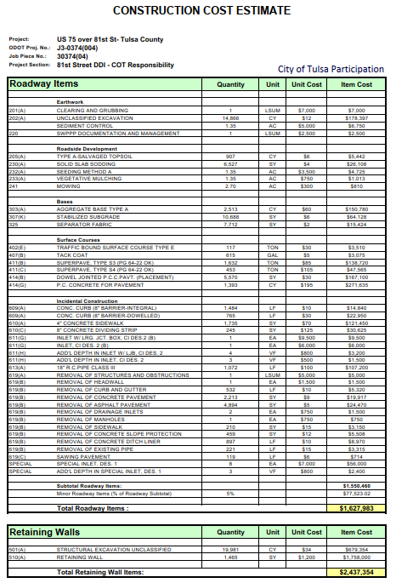
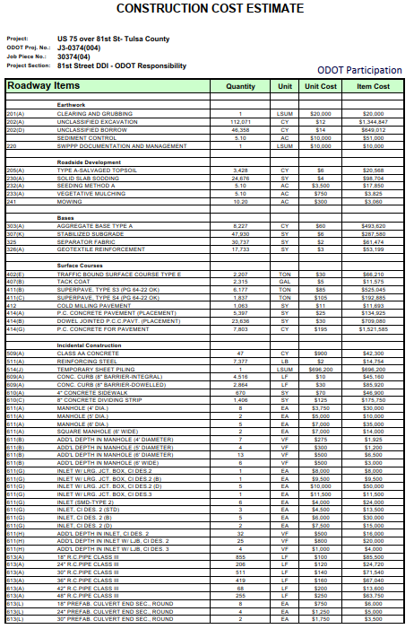

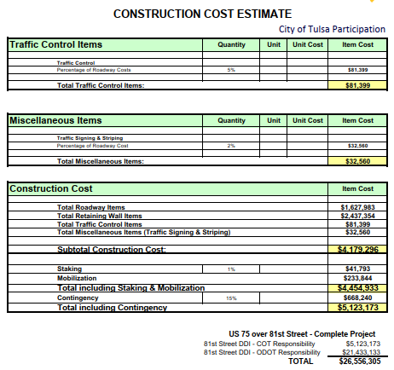

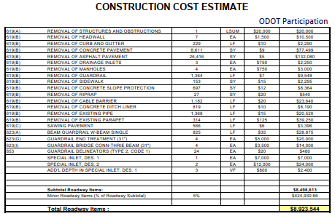

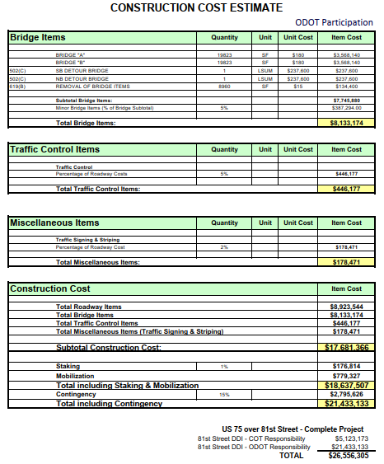

 |  |  |  |  |  |  |  | ($237,600) | cost removed from Residual Value
 |  |  |  |  |  |  |  | ($237,600) | cost removed from Residual Value
 |  |  |  |  |  |  |  | ($134,400) | cost removed from Residual Value
 |  |  |  |  |  |  |  | $8,133,174 | Total Bridge Cost
 |  |  |  |  |  |  |  | $7,523,574 | Bridge Cost for Residual Value Calc

 |  |  |  |  |  |  |  | $26,556,305

REF Traffic
...
 |  |  |  |  |  |  | SYNCHRO EMISSIONS DATA
 |  |  |  |  |  |  |  | Emissions (kg) | 2023 |  |  |  |  |  | 2046
 |  |  |  |  |  |  |  |  | AM |  | Noon |  | PM |  | AM |  | Noon
 |  |  |  |  |  |  |  |  | EXIST | BUILD | EXIST | BUILD | EXIST | BUILD | EXIST | BUILD | EXIST | BUILD
 |  |  |  |  |  |  |  | CO | 8.08 | 6.60 | 4.01 | 3.43 | 7.97 | 7.13 | 17.7 | 12.19 | 9.81 | 6.98
 |  |  |  |  | 2023 Volume |  |  | NO x | 1.57 | 1.28 | 0.78 | 0.67 | 1.55 | 1.39 | 3.44 | 2.37 | 1.91 | 1.36
 |  |  |  |  | 2023 | Year |  | VOC | 1.87 | 1.53 | 0.93 | 0.79 | 1.85 | 1.65 | 4.10 | 2.83 | 2.27 | 1.62
 |  |  |  |  | 3851 | WB
 |  |  |  |  | 3851 | EB
 |  |  |  |  | 7702 | Combined

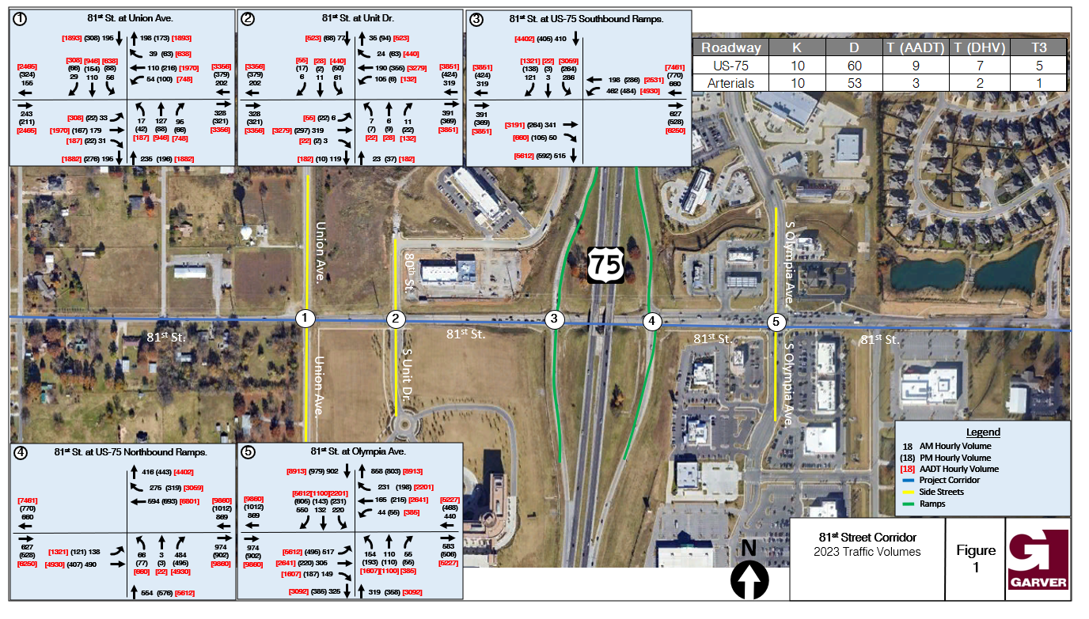

 |  |  | 2023 Volume
 |  |  | 2023 | Year
 |  |  | 9860 | WB
 |  |  | 9860 | EB
 |  |  | 19720 | Combined

 |  |  |  |  | 2046 Volume
 |  |  |  |  | 2046 | Year
 |  |  |  |  | 5631 | WB
 |  |  |  |  | 5631 | EB
 |  |  |  |  | 11262 | Combined
 |  |  |  |  | 9473 | Override
 |  |  |  |  | 9473 | Selected

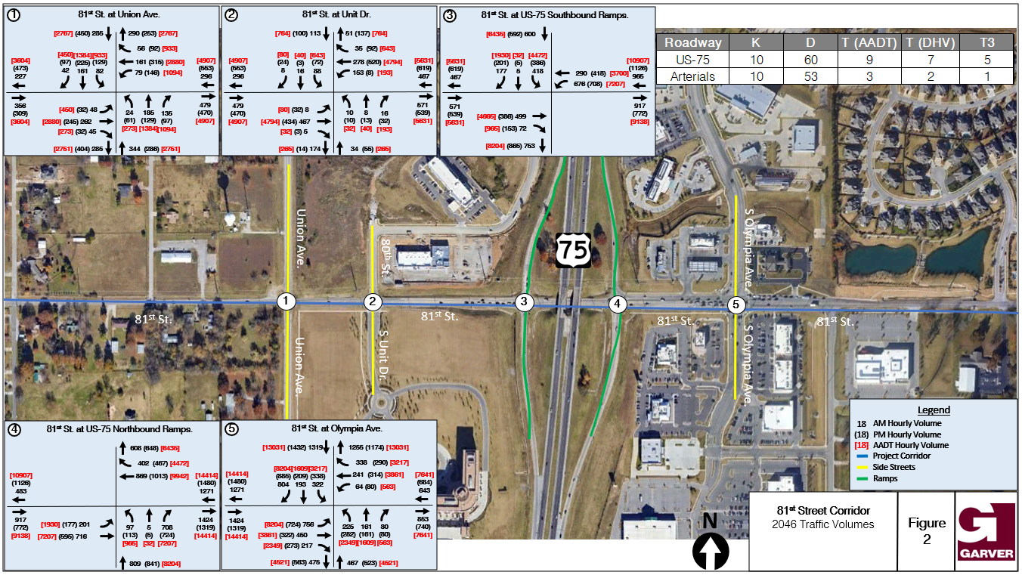

 |  | 2046 Volume
 |  | 2046 | Year
 |  | 14414 | WB
 |  | 14414 | EB
 |  | 28828 | Combined
Override Linear Growth Rate
Override Linear Growth Rate? (1=yes, 0=no) | 1
Growth Assumption per year | 1% | 24256
2046 Volume Selected |  | 24256 | Selected

REF Pedestrian
...
From INCOG
We installed the counter for two weeks on the southeast corner of Hwy 71 and 81st St. After reviewing the data, and factoring in the weather, we believe an accurate number of sidewalk users for this location is between 40 - 97 per day. Eco counter cannot differentiate between transportation modes (pedestrian, bicyclists, scooters etc.), and so we refer to the counts as “sidewalk users”.
40 | Ped/day
97 | Ped/day
68.5 | Ped/day
2023
...
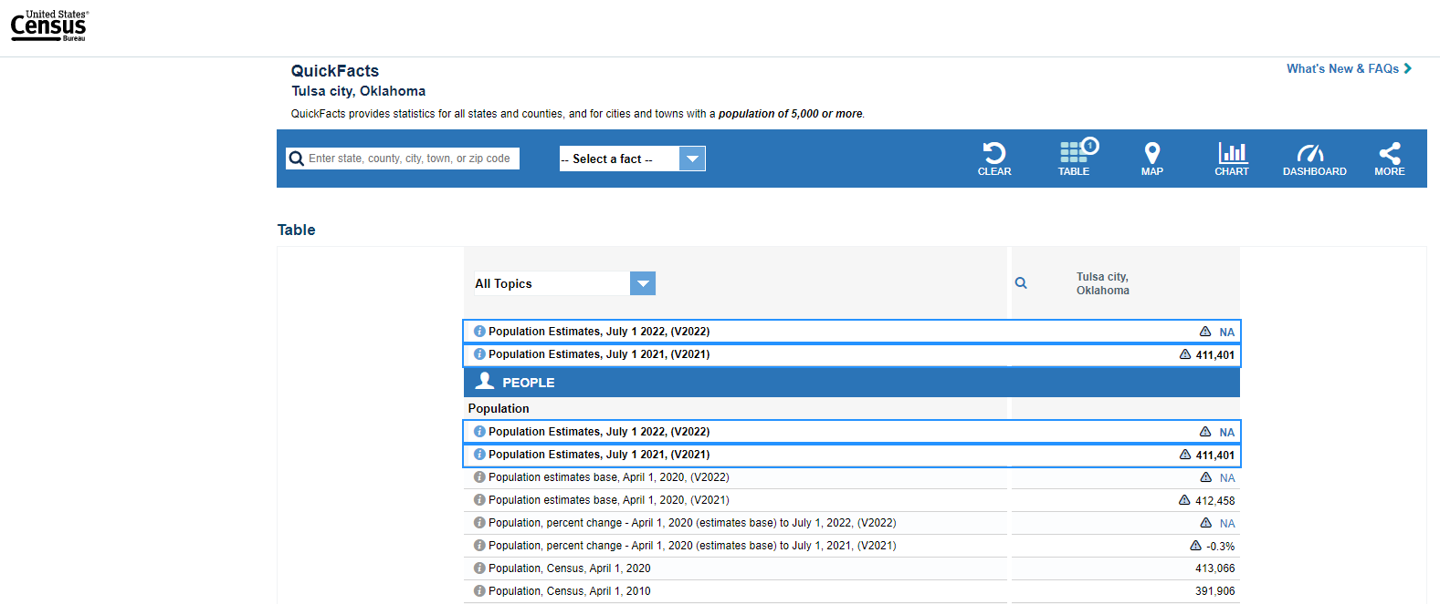
https://www.census.gov/quickfacts/tulsacityoklahoma

Year | 2010
Population | 391,906 | Traffic Analysis Base Year | Year | 2023
Year | 2020 | Traffic Analysis Base Year ADT | ADT | 19760
Population | 413,066 | Traffic Analysis Future Year | Year | 2046
 |  | Traffic Analysis Future Year ADT | ADT | 28828
% | 5.40% | Annual Growth Rate | % | 0.016556762094
% | 0.54% | Traffic Forecast Start Year | Year | 2018
 |  | Traffic Forcecast Start Year ADT | ADT | 18202.404961

REF Accidents
...
 | Count | Rate / year
Non-incapacitating injuries or possible injury | 16 | 1.78
PDO | 18 | 2.00
Total Crashes | 34 | 3.78

DDI Safety Study CMF Value | CMF | 0.52

Exhibit 4-7 in the FHWA DDI guide 2nd edition
